Cover
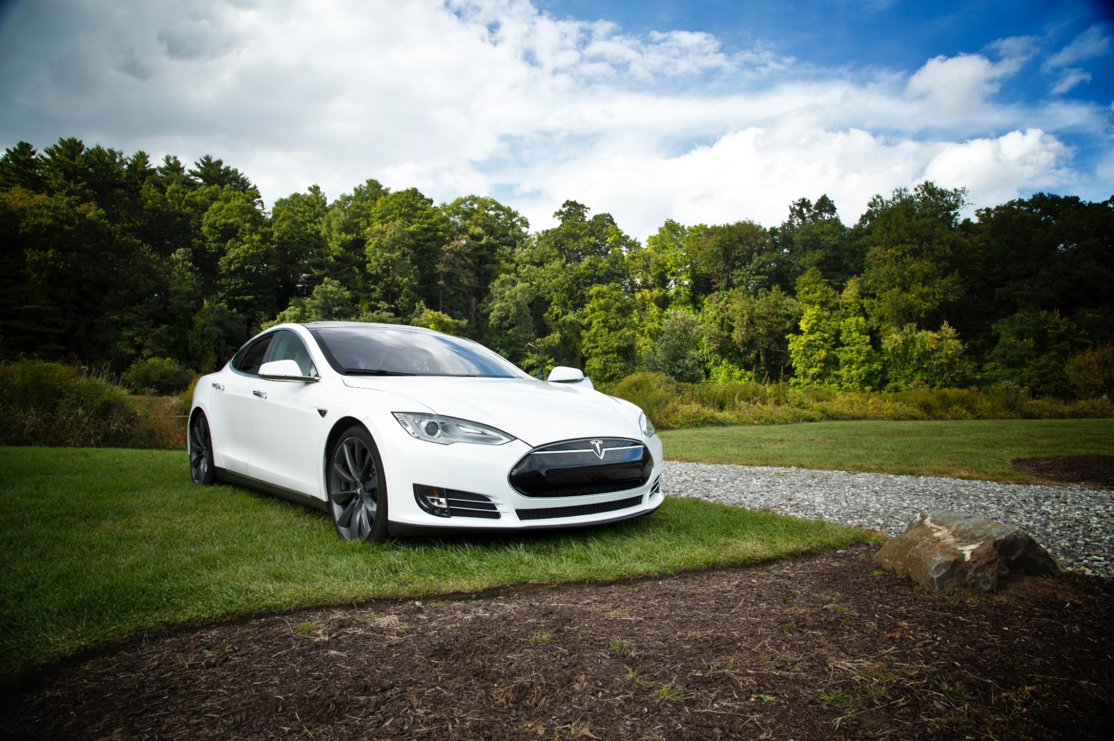

Tesla
Company analysis

Drivers
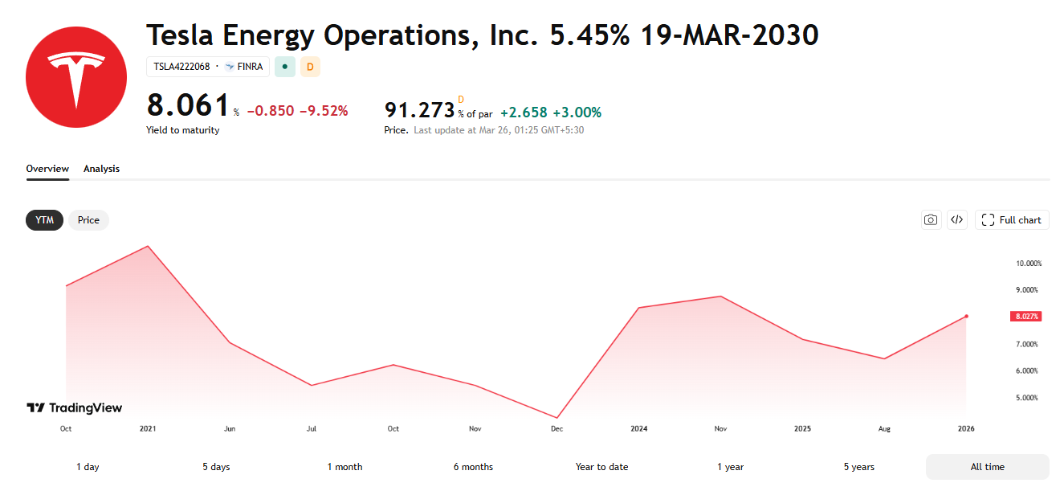
Drivers
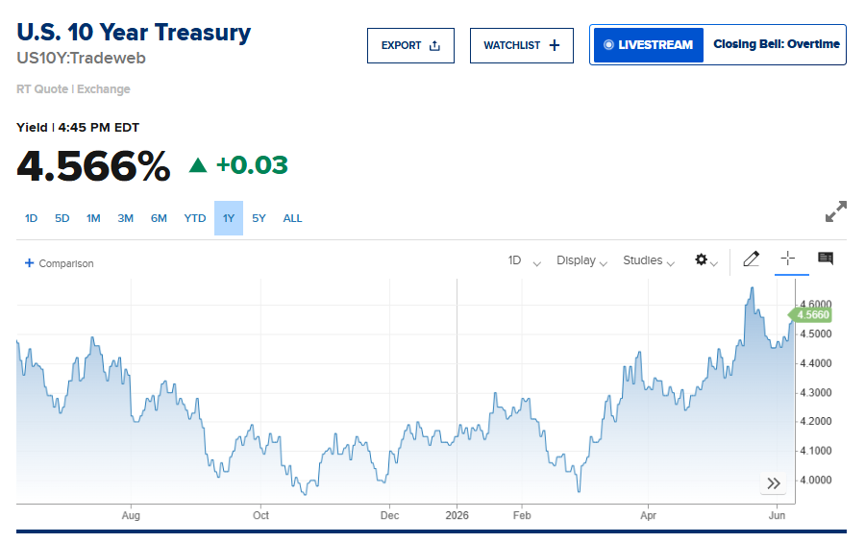
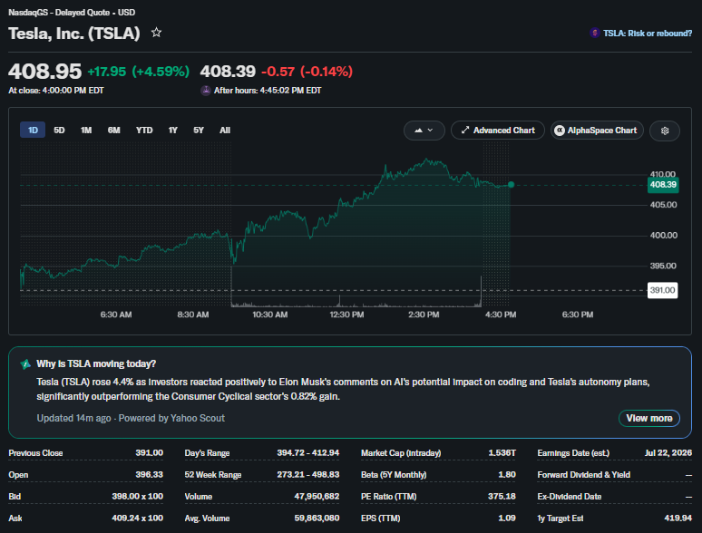
Selected case | 2
Company | Tesla
Currency | USD
Domestic country | United States
10-year treasury yield ( 08.06.2026) | 4.55%
Market risk premium US | 5.5%
Company beta ( 08.06.2026) | 1.18
Tesla share price ( 08.06.2026) | 408.95
Bond Yield (Mar 19 2030) | 5.45%
Corporate tax rate | 21%
Expected inflation | 3.1%
No. of Shares (million) | 3752.43

Deliveries development
Tesla vehicle deliveries 2015-2029 (actuals and forecasts)
 | Tesla Model 3 | Tesla Model S and X | Tesla Model Y | Tesla Cybertruck | Tesla Semi
2021 Act | 500,000.00 | 50,000.00 | 411,000.00 |  | -
2022 Act | 530,000.00 | 67,000.00 | 717,000.00 |  | 90.00
2023 Act | 500,000.00 | 69,000.00 | 1,140,000.00 | 900.00 | 180.00
2024 Act | 480,000.00 | 56,000.00 | 1,124,000.00 | 19,000.00 | 290.00
2025 Act | 450,000.00 | 50,000.00 | 1,130,000.00 | 50,000.00 | 5,000.00
2026 Fcst | 450,000.00 | 40,000.00 | 1,200,000.00 | 75,000.00 | 10,000.00
2027 Fcst | 450,000.00 | 20,000.00 | 1,350,000.00 | 120,000.00 | 20,000.00
2028 Fcst | 500,000.00 | 10,000.00 | 1,500,000.00 | 180,000.00 | 35,000.00
2029 Fcst | 550,000.00 | - | 1,650,000.00 | 250,000.00 | 50,000.00
2030 Fcst | 600,000.00 | - | 1,850,000.00 | 300,000.00 | 75,000.00
2031 Fcst | 650,000.00 | - | 2,000,000.00 | 350,000.00 | 100,000.00
2032 Fcst | 700,000.00 | - | 2,150,000.00 | 400,000.00 | 125,000.00
2033 Fcst | 750,000.00 | - | 2,300,000.00 | 450,000.00 | 150,000.00
2034 Fcst | 800,000.00 | - | 2,450,000.00 | 500,000.00 | 175,000.00
2035 Fcst | 850,000.00 | - | 2,600,000.00 | 550,000.00 | 200,000.00

Automotive Revenue and GP
Revenue and Gross Profit automotive
($ millions)
Vehicle | 2021 Act | 2022 Act | 2023 Act | 2024 Act | 2025 Act | 2026 Fcst | 2027 Fcst | 2028 Fcst | 2029 Fcst | 2030 Fcst | 2031 Fcst | 2032 Fcst | 2033 Fcst | 2034 Fcst | 2035 Fcst
Revenue automotive | 47,232.00 | 71,462.00 | 82,419.00 | 77,070.00 | 69,526.00 | 95,189.09 | 107,539.34 | 126,088.01 | 145,576.63 | 169,498.85 | 190,921.58 | 212,344.30 | 233,767.03 | 255,189.75 | 276,612.48
Gross Profit automotive | 13,839.00 | 20,354.00 | 16,030.00 | 14,197.00 | 12,361.00 | 17,870.88 | 19,886.33 | 22,902.29 | 26,031.05 | 30,048.77 | 33,566.60 | 37,084.43 | 40,602.25 | 44,120.08 | 47,637.91
GP% | 29.30% | 28.48% | 19.45% | 18.42% | 17.78% | 18.77% | 18.49% | 18.16% | 17.88% | 17.73% | 17.58% | 17.46% | 17.37% | 17.29% | 17.22%

Revenue and Gross Profit automotive

Working capital
Working capital

 | Tesla Working capital (in mln $)
($ millions) | 2021 Act | 2022 Act | 2023 Act | 2024 Act | 2025 Act | 2026 Fcst | 2027 Fcst | 2028 Fcst | 2029 Fcst | 2030 Fcst | 2031 Fcst | 2032 Fcst | 2033 Fcst | 2034 Fcst | 2035 Fcst
Trade receivables | 1,913.00 | 2,952.00 | 3,508.00 | 4,418.00 | 4,576.00 | 5,039.56 | 5,681.69 | 6,537.05 | 7,409.81 | 8,466.49 | 9,427.99 | 10,395.38 | 11,369.01 | 12,349.26 | 13,336.51
Inventory | 5,757.00 | 12,839.00 | 13,626.00 | 12,017.00 | 12,392.00 | 17,360.78 | 19,620.82 | 22,615.79 | 25,673.75 | 29,343.94 | 32,700.07 | 36,077.86 | 39,478.61 | 42,903.69 | 46,354.58
Trade payables | 10,025.00 | 15,255.00 | 14,431.00 | 12,474.00 | 13,371.00 | 20,981.80 | 23,713.23 | 27,332.87 | 31,028.65 | 35,464.35 | 39,520.48 | 43,602.79 | 47,712.85 | 51,852.33 | 56,022.98
Net trade cycle | (2,355.00) | 536.00 | 2,703.00 | 3,961.00 | 3,597.00 | 1,418.53 | 1,589.28 | 1,819.96 | 2,054.91 | 2,346.08 | 2,607.58 | 2,870.44 | 3,134.76 | 3,400.62 | 3,668.11

Selected case:
DSO | 12.80 | 13.05 | 13.05 | 16.28 | 17.37 | 14.51 | 14.51 | 14.51 | 14.51 | 14.51 | 14.51 | 14.51 | 14.51 | 14.51 | 14.51
DIO | 51.53 | 76.26 | 62.00 | 53.91 | 57.39 | 60.22 | 60.22 | 60.22 | 60.22 | 60.22 | 60.22 | 60.22 | 60.22 | 60.22 | 60.22
DPO | 89.74 | 90.61 | 65.67 | 55.97 | 61.92 | 72.78 | 72.78 | 72.78 | 72.78 | 72.78 | 72.78 | 72.78 | 72.78 | 72.78 | 72.78
Net trade cycle | (25.41) | (1.30) | 9.39 | 14.23 | 12.84 | 1.95 | 1.95 | 1.95 | 1.95 | 1.95 | 1.95 | 1.95 | 1.95 | 1.95 | 1.95
Working Capital development (2026-2035)

